Sheet1
Item | Description | Status | Screenshoot
HR department requires the ability to do the following items:
● Ability to view all team members on a single page. |  | Done | 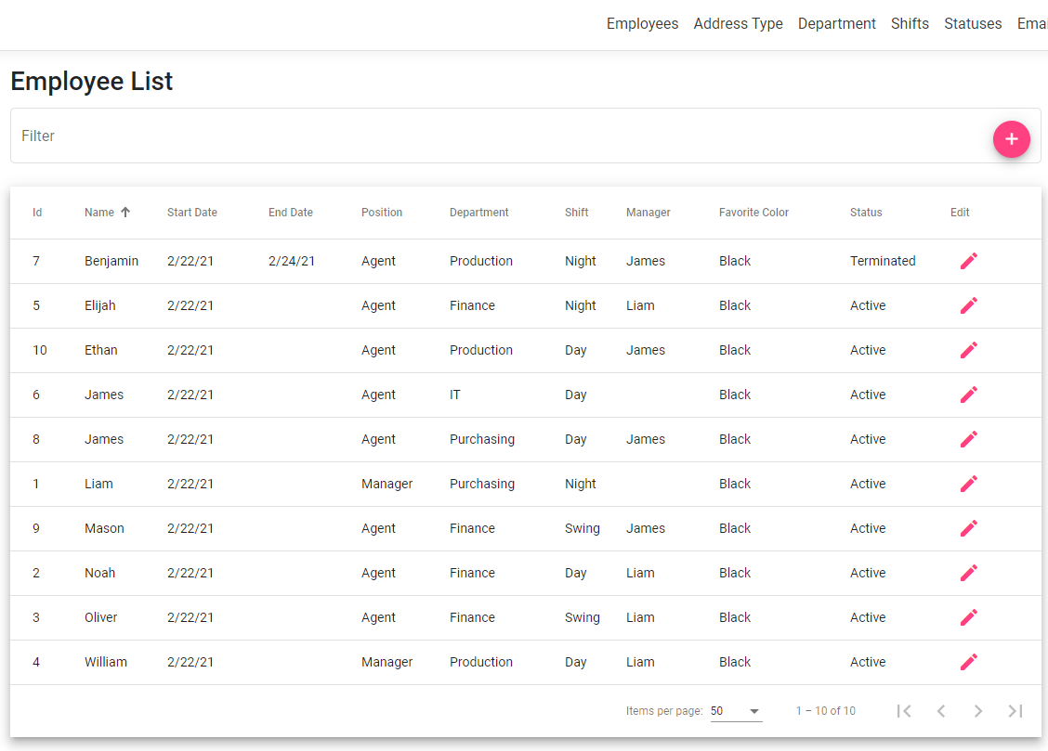
● Add a new team member as they are hired, delete a team member record when needed, and mark a team member as terminated. |  | Done | 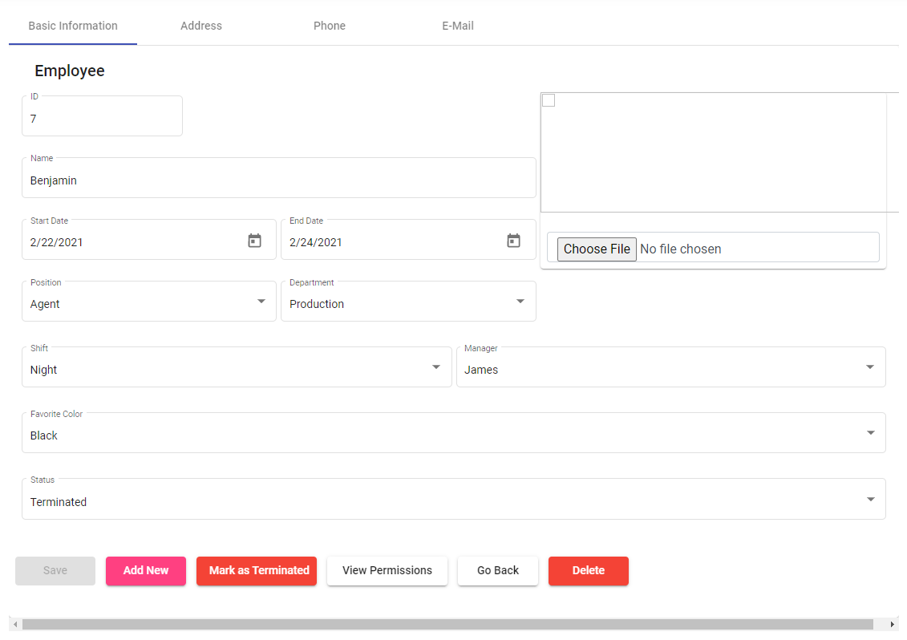
● Edit a team member’s record, i.e. address, position, department, etc. |  | Done | 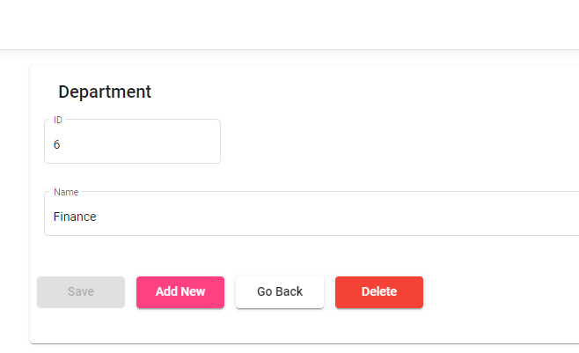
● An activity tracker that will record when a team member’s permissions change, when a team member’s manager changes, and when a team member’s position changes. |  | Done | 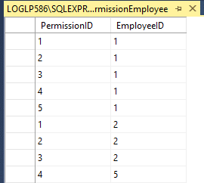
● A reporting page to view recruiting, and retention efforts including: |  | Done
○ Weekly hire numbers |  | Done | 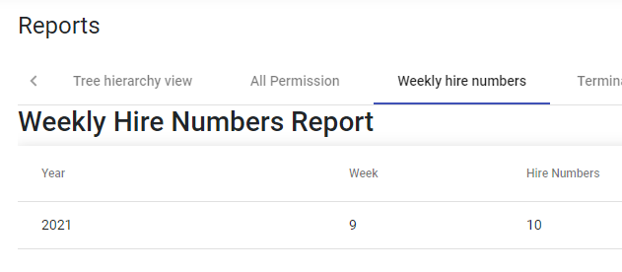
○ Terminated numbers for the current year |  | Done
● In an effort to maintain the site’s security have a page to view all permission assignments for all team members. |  | Done | 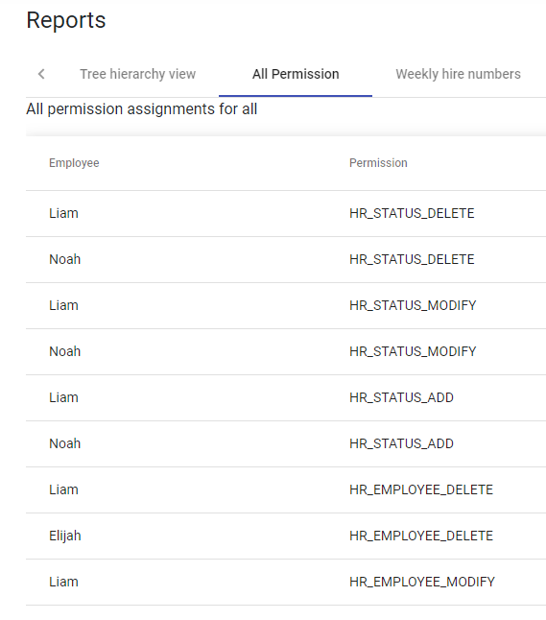

HR has asked that the following items be included in the team member record:
● Name |  | Done | 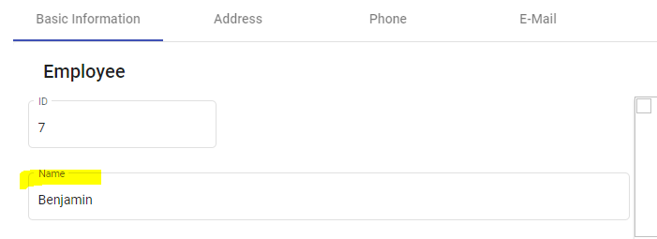
● Address |  | Done | 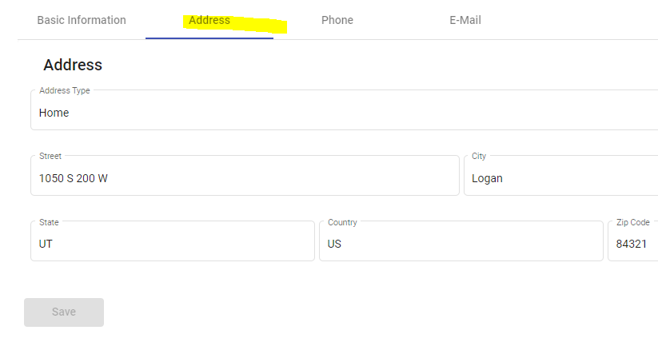
● Email Address |  | Done | 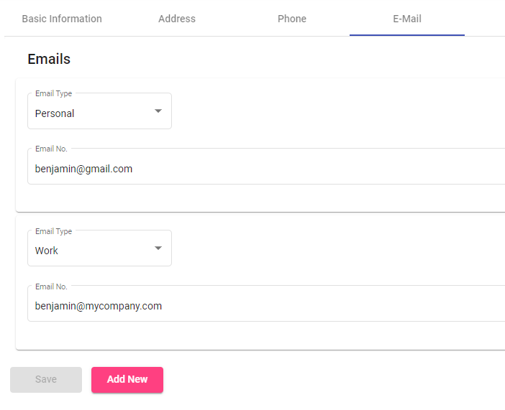
● Preferred Contact Phone Number |  | Done | 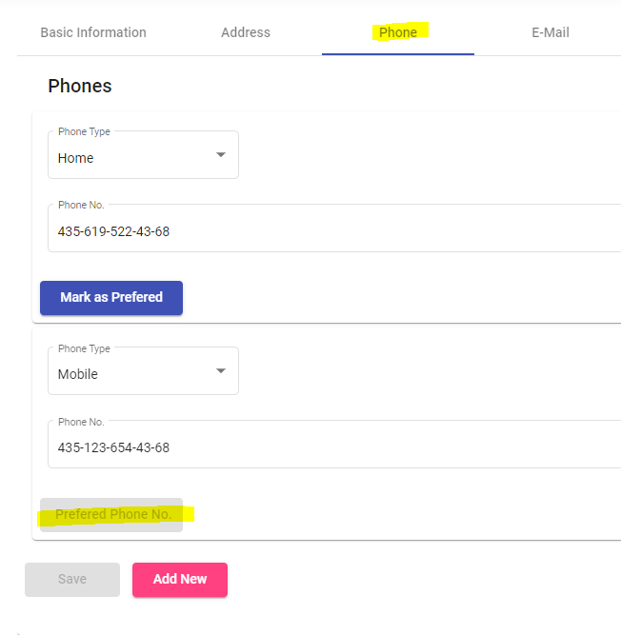
● Position |  | Done | 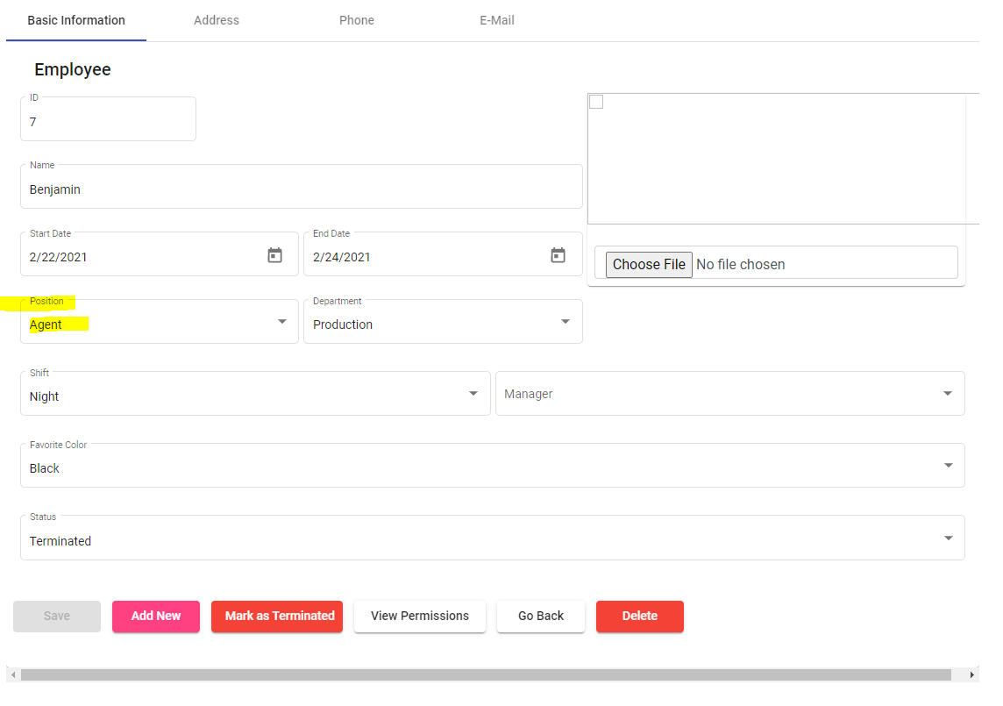
● Department |  | Done | 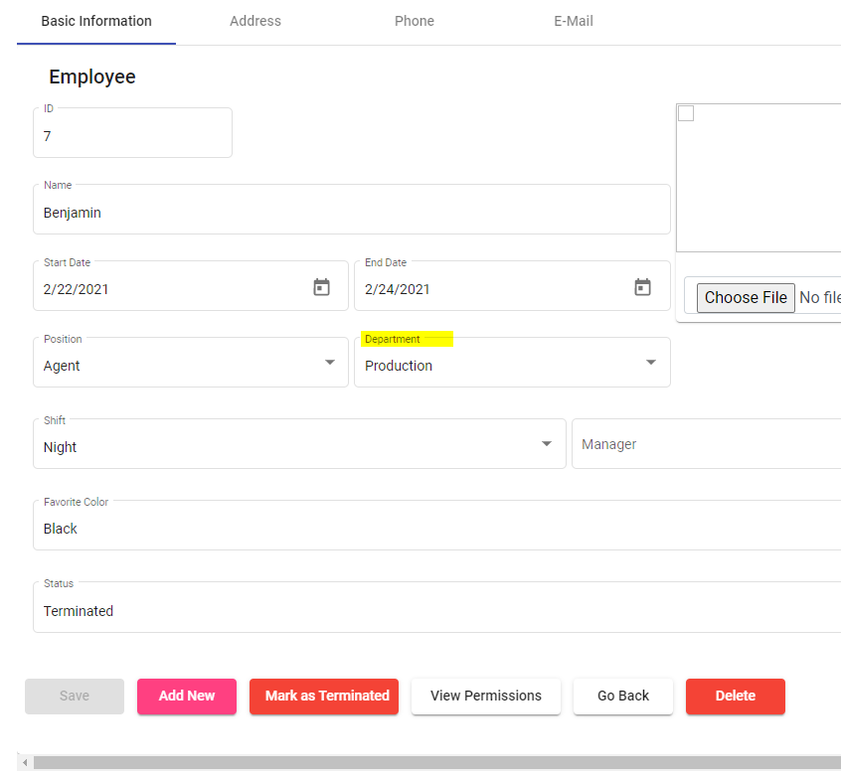
● Start Date |  | Done | 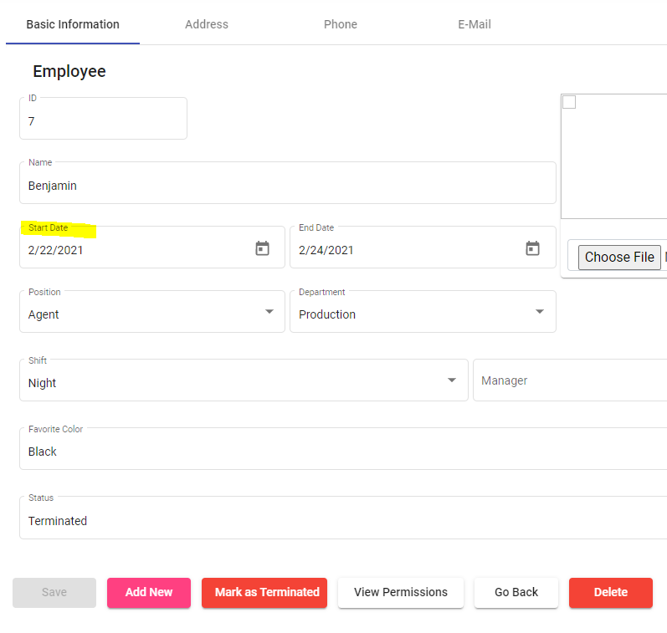
● End Date |  | Done | 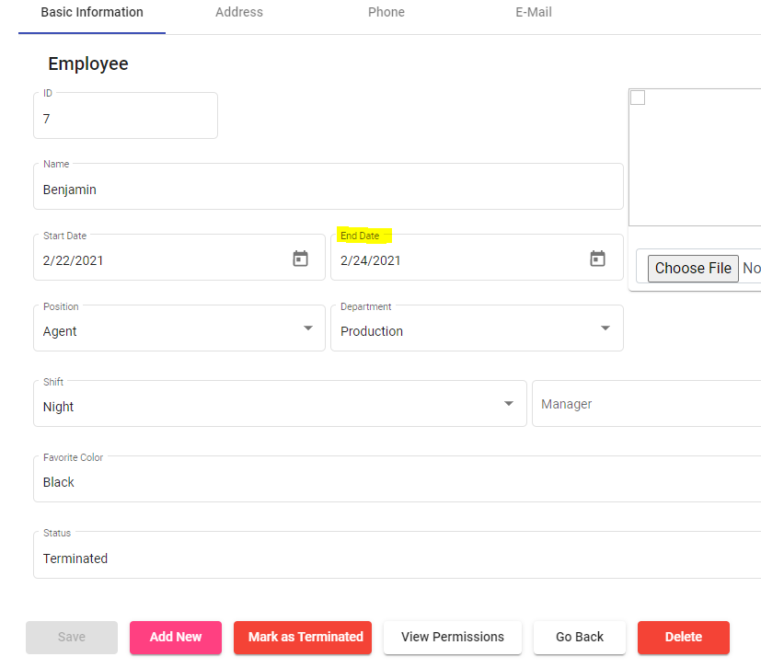
● Employment Status |  | Done | 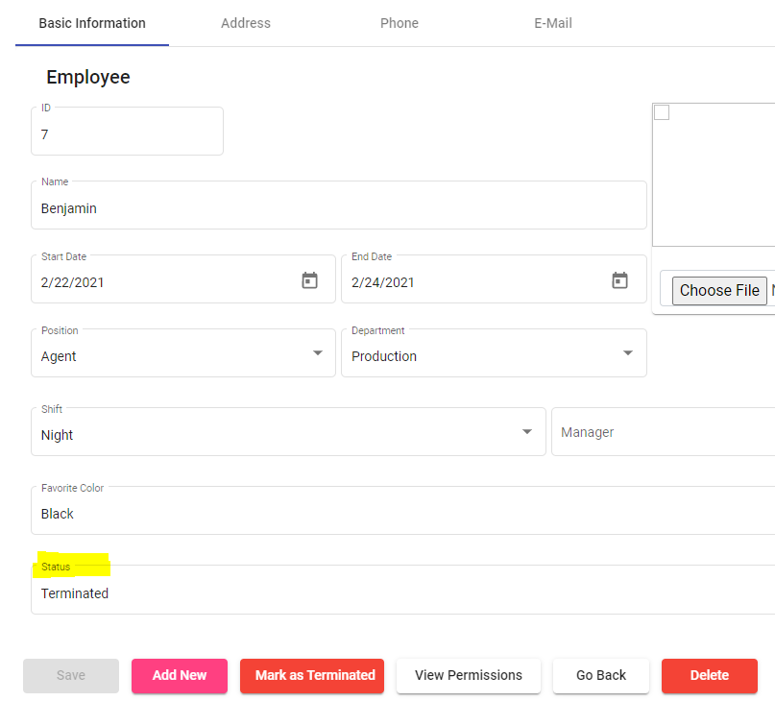
● Shift |  | Done | 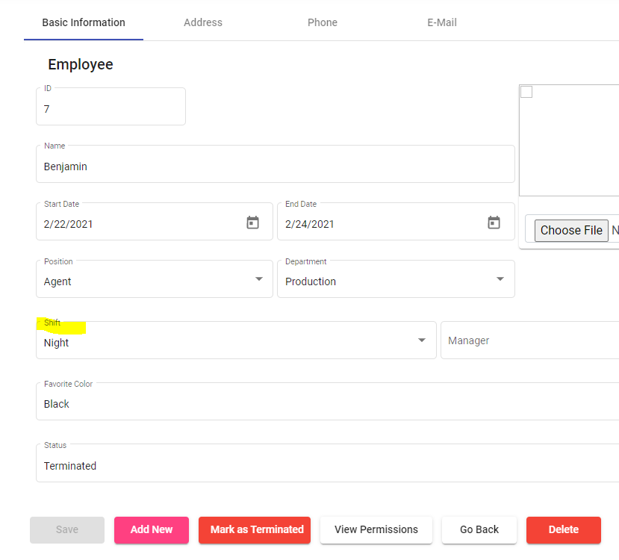
● Manager |  | Done | 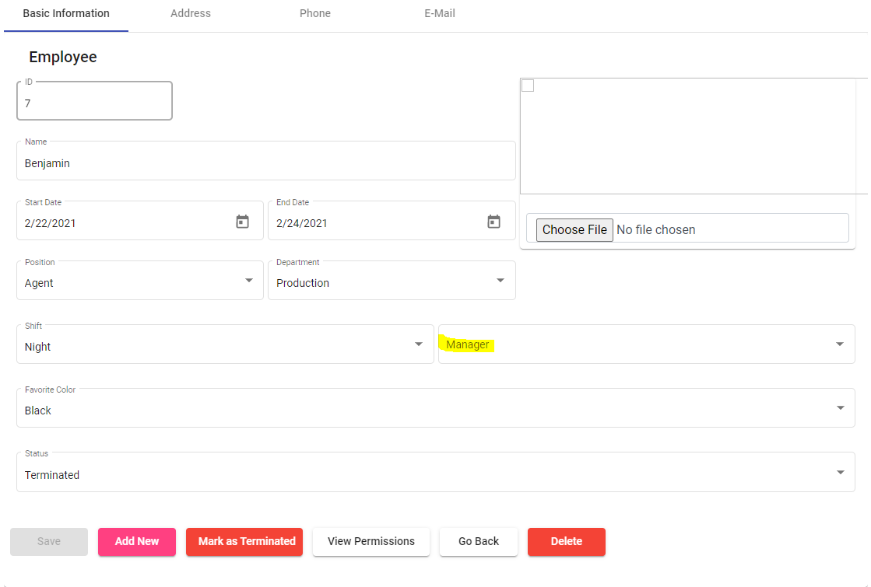
● Team Member Photo |  | Done | 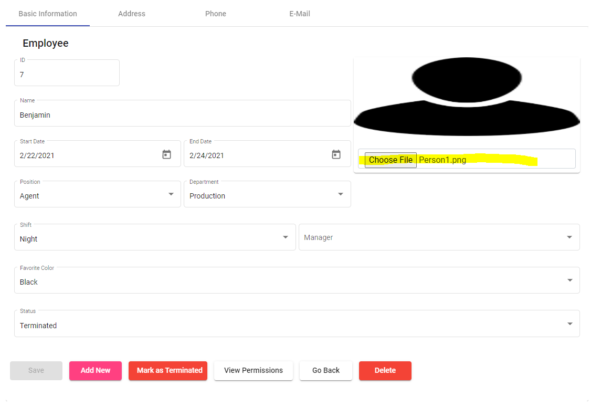
● Favorite Color |  | Done | 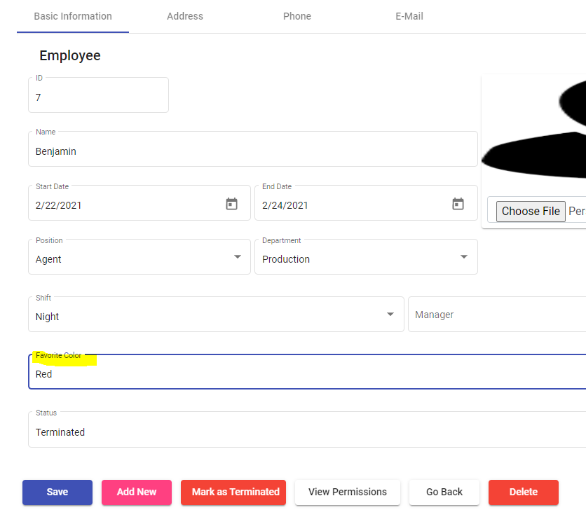
For ALL options, the application should include the following:
● No authentication required |  | Done
● Data should be stored in a SQL Database (preferred but not required to be in SQL database) |  | Done | Sql Server 2017
● A way to view all team members in the database |  | Done | SELECT [EmployeeID] ,[Name] ,[StartDate] ,[EndDate] ,[Position] ,[Department] ,[Status] ,[Shift] ,[Manager] ,[TeamMemberPhoto] ,[FavoriteColor] ,[PreferredPhone] FROM [HRSystemDB].[HR].[AllTeamMembersView]
● Ability sort and filter employees on the all team page |  | Done | 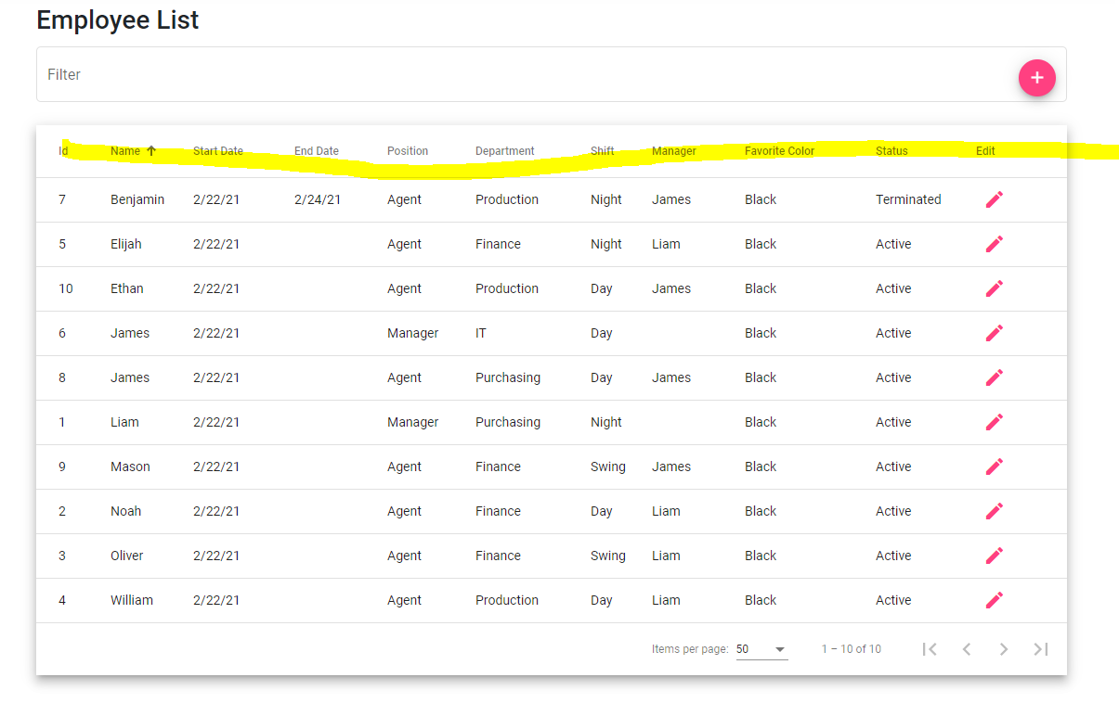
● Ability to search for team members by name on the all team page |  | Done | 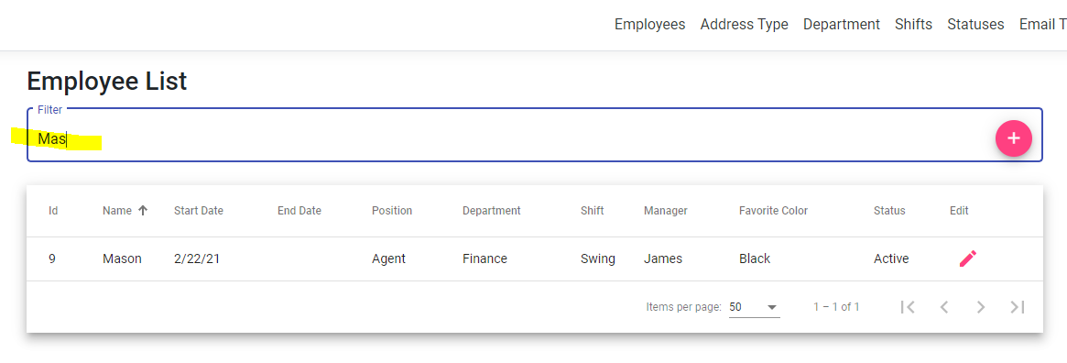
● The ability to add, delete, and edit team member records |  | Done | 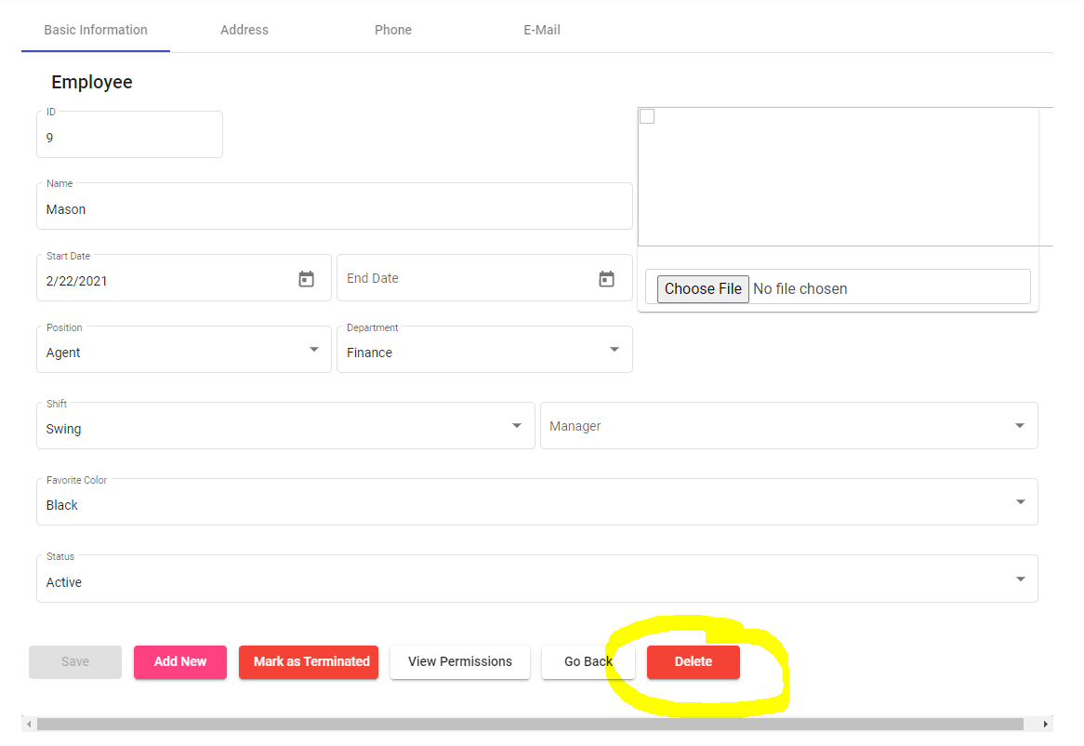
● A reporting page for displaying recruiting and retention metrics |  | Done | 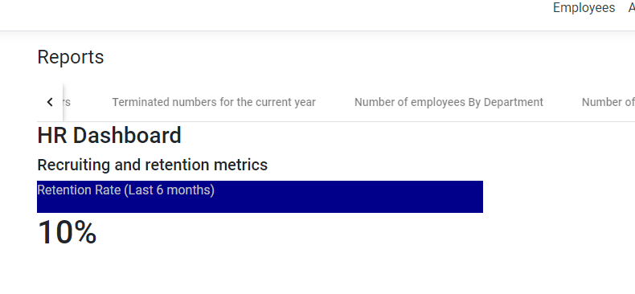
● A page to view the activity log of modifications made to a team member record |  | Done
Nice Features, to include after you complete the MVP:
● Photo upload for team member photos |  | Done | 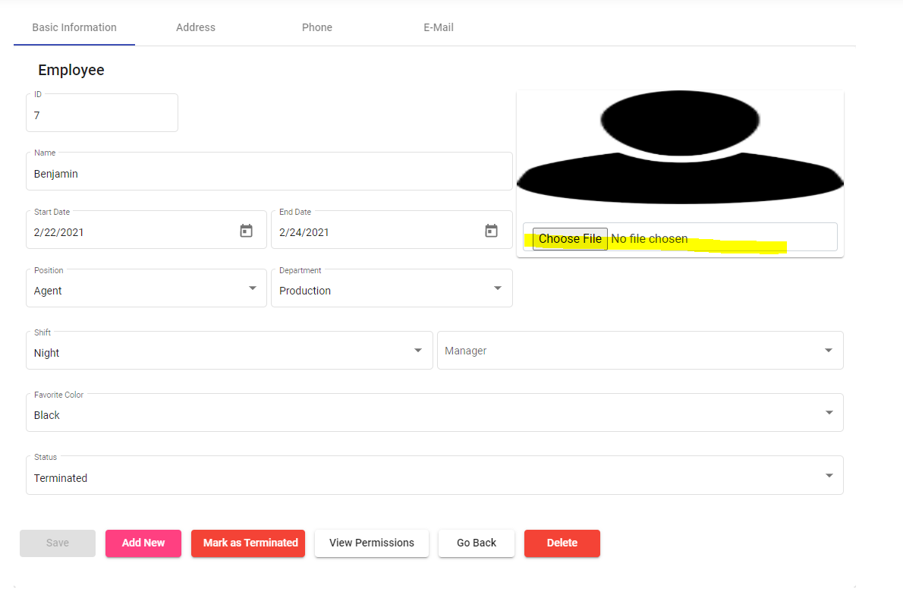
● Ability to create new departments/positions |  | Done | 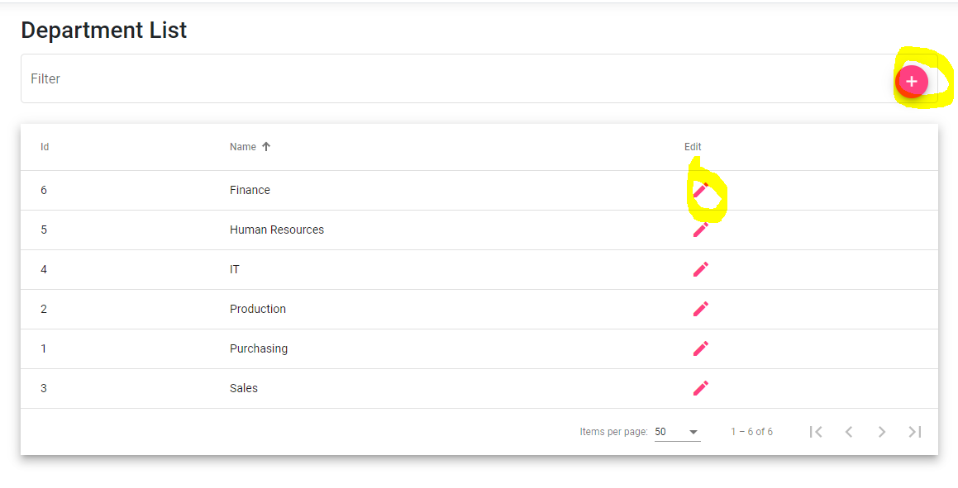
● A report view detailing the number of employees in each department/manager |  | Done | 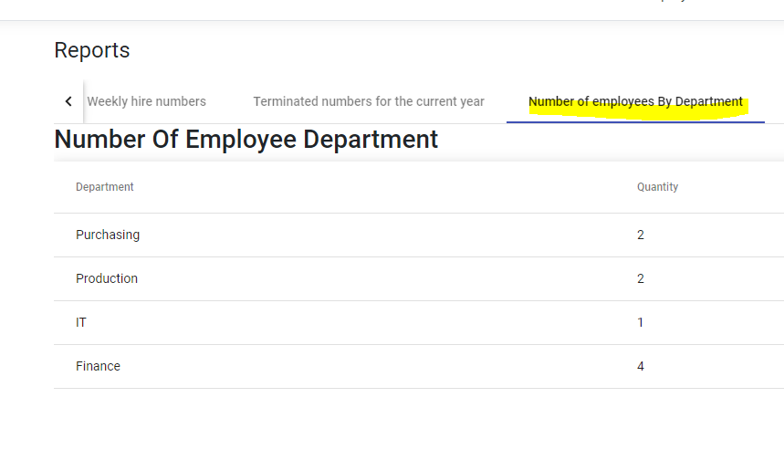
● A tree hierarchy view of the management chain throughout all employees. |  | Done | 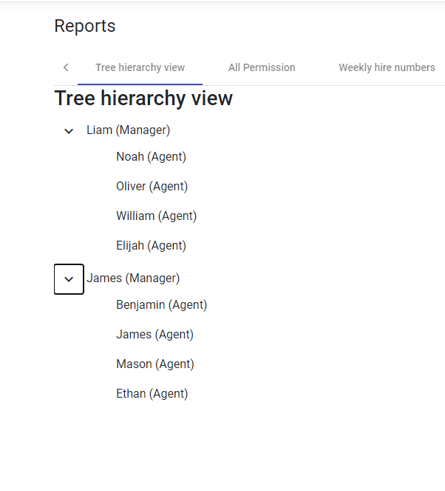
● A notification system that alerts certain users when changes are made within the system. |  | Done | 